Assignment_4
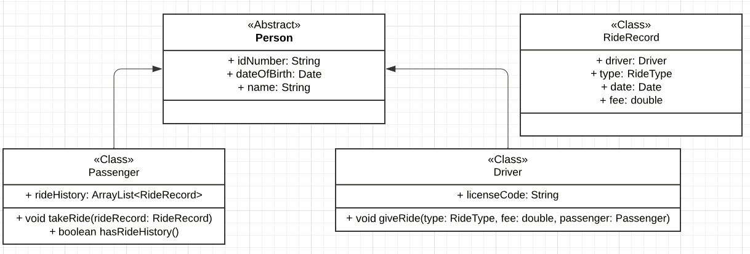
Task 1: Planning and Passengers |  |  |  | Mark
Person Abstract Class | 0: not done/attempted | 1-2: Partially done, but some errors/missing attibutes | 3: Fully done, all listed attributes, methods | 3
RideRecord Class | 0: not done/attempted | 1-2: Partially done, but some errors/missing attibutes | 3: Fully done, all listed attributes, methods | 3
Passenger Class | 0: not done/attempted | 1-2: Partially done, but some errors/missing attibutes | 3: Fully done, all listed attributes, methods | 2
Driver | 0: not done/attempted | 1-2: Partially done, but some errors/missing attibutes | 3: Fully done, all listed attributes, methods | 2
Connections/Structure | 0: not done/attempted | 1-2: Partially done, but some errors/missing connections | 3: Fully done connections correct | 3
 |  | Total | 15 | 13

Task 2: General Abstracts |  |  |  | Mark
2.1 Person class
Class declaration | 0: not done/attempted | 1: partially done, not abstract | 2: declared correctly as abstract class | 2
Constructor | 0: not done/attempted | 1: Correctly done setting attributes with params |  | 1
abstract compareTo method | 0: not done/attempted | 1: Partially done, not abstract or other issue | 2: correctly declared as abstract with Person param | 2
2.2 RideRecord
Class declaration | 0: not done/attempted | 1: Done |  | 1
Enum declaration | 0: not done/attempted | 1: Done, but with errors. Not public, missing vals etc | 2: Fully and correctly specified. | 1
Constructor | 0: not done/attempted | 1: partially done, but some attributes not initialised | 2: Correctly sets attributes and new date assinged | 2
2.3 Passenger Class
Class declaration | 0: not done/attempted | 1: partially done, does not extend Person | 2: Correctly done, extends Person | 2
Constructor | 0: not done/attempted | 1: partially done, some attribtes not set in super | 2: Correctly done with attributes set using super | 1
takeRide method | 0: not done/attempted | 1: paritally done, some errors | 2: Correctly done using appropriate data struct for list | 2
abstract compareTo method implementation | 0: not done/attempted | 1: paritally done/attempted | 2: correctly returns results of ID String.compareTo | 2
2.4 Driver Class
Class declaration | 0: not done/attempted | 1: partially done, does not extend Person | 2: Correctly done, extends Person | 2
Constructor | 0: not done/attempted | 1: partially done, some attribtes not set in super | 2: Correctly done with attributes set using super | 1
giveRide method | 0: not done/attempted | 1: paritally done, some errors | 2: correctly creates new RideRecord obj and calls takeRide on Passenger class | 1
abstract compareTo method implementation | 0: not done/attempted | 1: done |  | 1
 |  |  | 25 | 21
Student Number | 4271451
Total Mark | 34
Total Possible | 40

Example UML diagram

